Sheet1
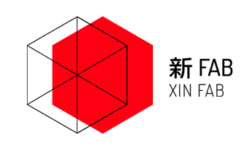
 | XinFab Income statement
Jul-15 | Income
Date | Details | RMB
2015-07-07 | Half a year membership- Kendrick Tjiputra) | 1080
15/7/2015 | 3D Print( 8.4 grams) | 16
16/7/2015 | Laser use | 215
16/7/2015 | Sketchup workshop paid online | 950
18/7/2015 | Sketchup workshop for non members | 200
18/7/2015 | Sketchup workshop(non memebers) | 250
 | TOTAL | 2711
Date | Details | RMB
2015-07-07 | Water | 33
2015-09-07 | First aid kit | 198
2015-09-07 | Fire extinguisher | 32.8
14/7/15 | Invoice kuaidi | 12
17/7/15 | Kuaidi kit | 16
18/7/2015 | Danny sketchup | 500
 | TOTAL | 791.8

